Calculation Logic
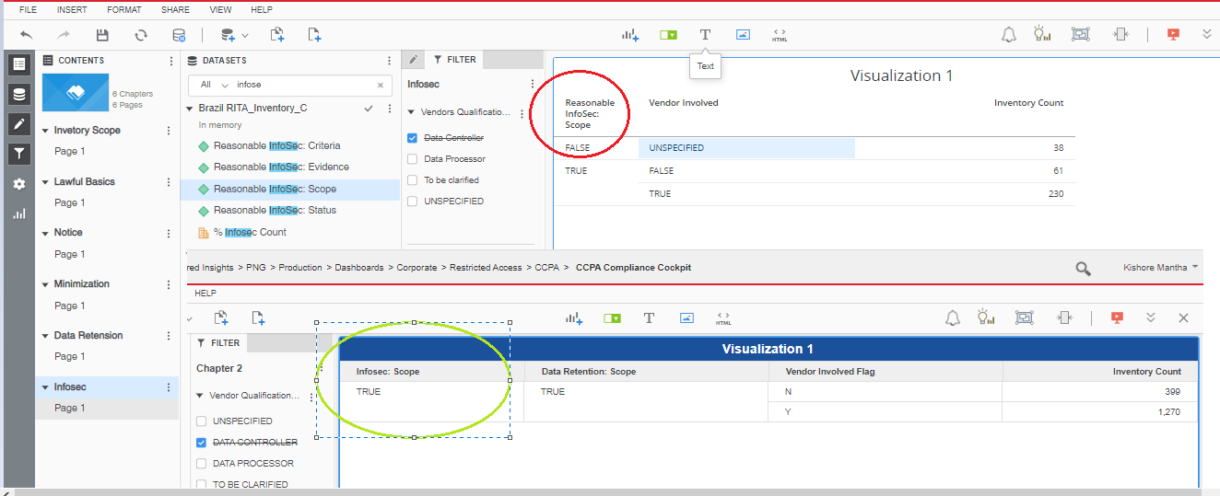
Column | 1. Inventory | 2. Legal basis | 3. Notice | 4. Minimization | 5. Data Retention | 6. Info Sec | 7. Data Breach Response | 8. Data Subject Rights | 9. Vendor | 11. Employee Training
VendorQualification='Data Controller' | Yes | No | No | No | No | No | No | No | No | No
VendorQualification=Data Processor,To be clarified,Blank | Yes | Yes | Yes | Yes | Yes | Yes | Yes | Conditions Apply | Yes | No
VendorInvolved='False' | Yes | Yes | Yes | Yes | Yes | Yes | Yes | Conditions Apply | No | No
Phase 3 Calculation | Include | Include | Include | Include | Include | Include | Include | Exclude if Data Subject Type = Employee, Job Applicant, Temp, Contractor, Visitor Include all remaining Data Subject Types | Include | Exclude because not ROPA-specific.

Inventory Scope

Lawfil Basis

Vendor Qualification = Data Contoller |  |  |  |  | Vendor Qualification NOT IN Data Contoller

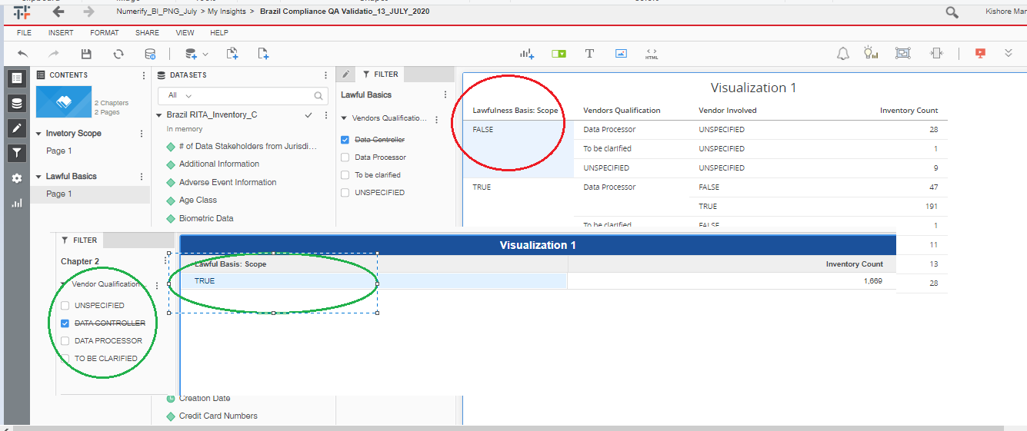

Notice |  |  |  |  |  | Minimization
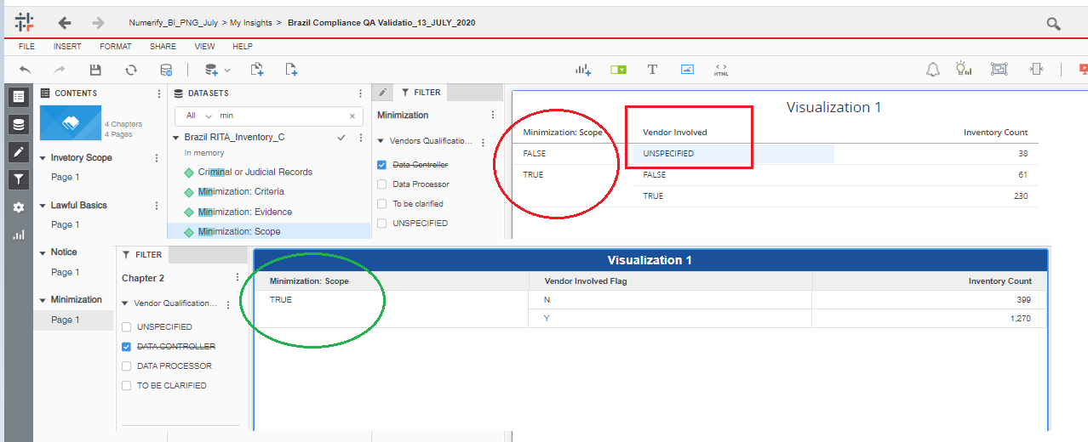

Data Retension
 |  |  |  |  | Infosec scope

